Sheet1
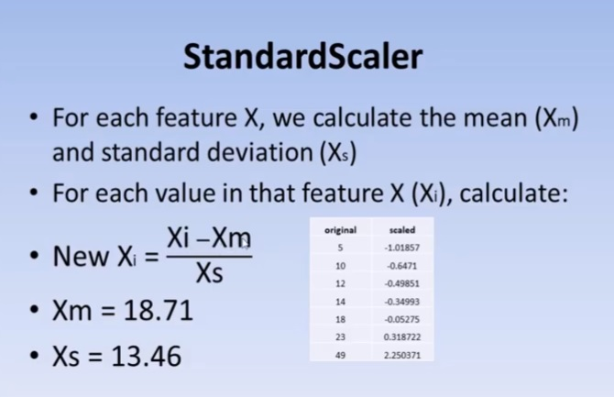
 | original | scaled
 | 5 | -1.0192024676
 | 10 | -0.64761823462
 | 12 | -0.49898454143
 | 14 | -0.35035084824
 | 18 | -0.053083461854
 | 23 | 0.31850077113
 | 49 | 2.2507387826

Mean | 18.714285714 | 0
Standard Deviation | 13.455899245 | 1

